Contents


FY26 ESG DATA PACK
Reporting period 1 July 2025 to 30 June 2026
2020 DATA PACK

TABLE OF CONTENTS

Materiality
Environment: Emissions inventory
Environment: Building attributes
Environment: Asset performance
People
Places & Communities
Governance
Global Reporting Initiative (GRI) index
Sustainability Accounting Standards Board (SASB) index

Materiality
Material topics and definitions
FY26 materiality matrix

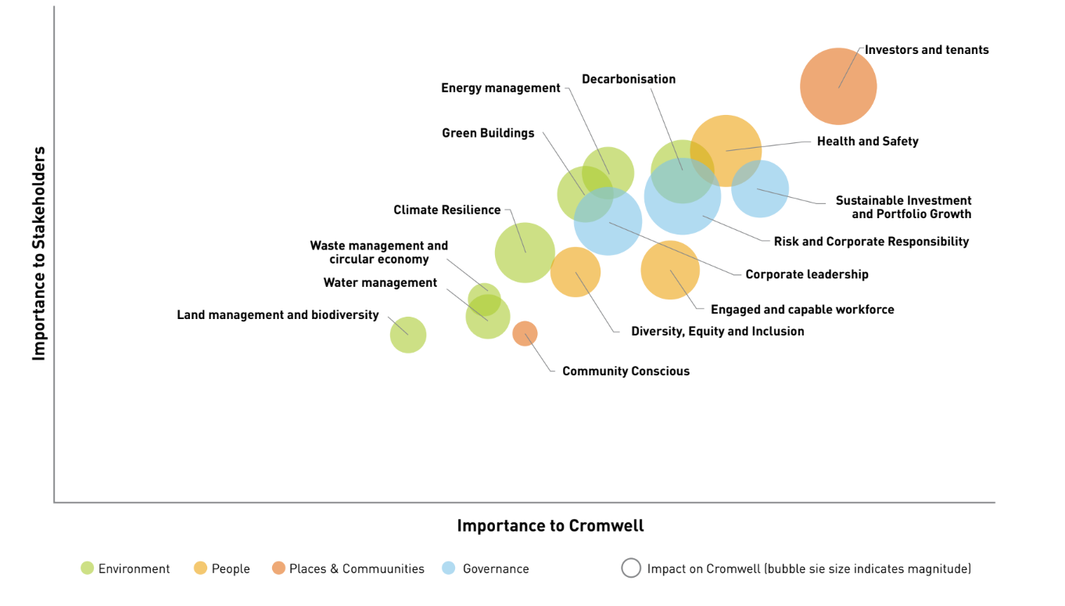

List of material topics

Environment

Decarbonisation | Managing the risks and opportunities of emissions reductions and the pathway to Net Zero, while balancing business value with stakeholder expectations.​
Energy management | Optimising energy consumption through strategic monitoring, efficiency measures and renewable initiatives to enhance asset performance and tenant satisfaction.​
Waste management and circular economy | Minimising resource waste through property upgrades, recycling, and sustainable construction practices to enhance asset value and environmental performance.​
Water management | Focuses on sustainable water usage through monitoring and retrofitting, minimizing environmental impact while improving tenant relationships and operational efficiency.​
Green buildings | Optimising property performance through sustainable design, efficient operations and recognised certifications to enhance asset value and environmental outcomes.​
Climate resilience | Adapting business assets and operations to address both physical and transitional climate risks while maintaining long-term stakeholder value.​
Land management and biodiversity | Protecting natural resources and ecosystems while minimising property impacts to maintain environmental responsibility and operational legitimacy.​

People

Diversity, equity and inclusion | Fostering a diverse workforce and equitable culture to enhance innovation, problem-solving capabilities, talent retention and organisational performance.​
Engaged and capable workforce | Creating a high-performing culture that prioritises wellbeing and development to attract talent, strengthen resilience and enhance business value.​
Health and saftey | Maintaining comprehensive workplace safety standards and promoting employee welfare to ensure secure environments and enhance operational performance.​

Places and Communities

Investors and tenants | Proactively engaging with tenants and investors to understand needs, enhance retention and safeguard privacy while delivering sustainable business value.​
Community conscious | Engaging and supporting local communities to maintain social licence, while ensuring positive impacts across operational activities.​

Governance

Risk and corporate responsibility | Implementing robust risk management and governance frameworks to strengthen business resilience, maintain stakeholder trust and enhance operational integrity.​
Corporate leadership | Embedding robust ESG frameworks and ethical practices across business operations to enhance transparency, maintain trust and strengthen long-term value.​
Sustainable investment and portfolio growth | Delivering sustainable returns through ESG integration, robust governance and strategic engagement to maintain long-term investor confidence.​

Building attributes
 | Building attributes
 | Decarbonisation, water management and waste management

NABERS Summary

NABERS SPI energy ratings |  |  |  |  |  |  | NABERS SPI water ratings
Fund |  | FY22 | FY23 | FY24 | FY25 | FY26 | Fund |  |  | FY22 | FY23 | FY24 | FY25 | FY26
Cromwell Diversified Property Trust |  | 5.3 | 5.4 | 5.4 | 5.5 | 5.4 | Cromwell Diversified Property Trust |  |  | 5.3 | 4.8 | 4.3 | 4.5 | 4.6
Cromwell Direct Property Fund |  | 5.2 | 5.5 | 5.3 | 5.4 | 5.3 | Cromwell Direct Property Fund |  |  | 5.2 | 4.7 | 4.8 | 4.5 | 4.6
National Average* |  | 4.9 | 4.9 | 4.8 | 4.9 | TBA | National Average* |  |  | 4.7 | 4.7 | 4.4 | 4.3 | TBA
*National data available at https://nabers.info/annual-report/2024-2025/ |  |  |  |  |  |  | *National data available at https://nabers.info/annual-report/2024-2025/
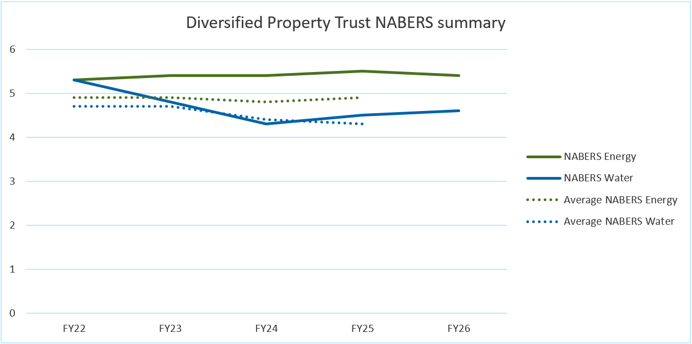
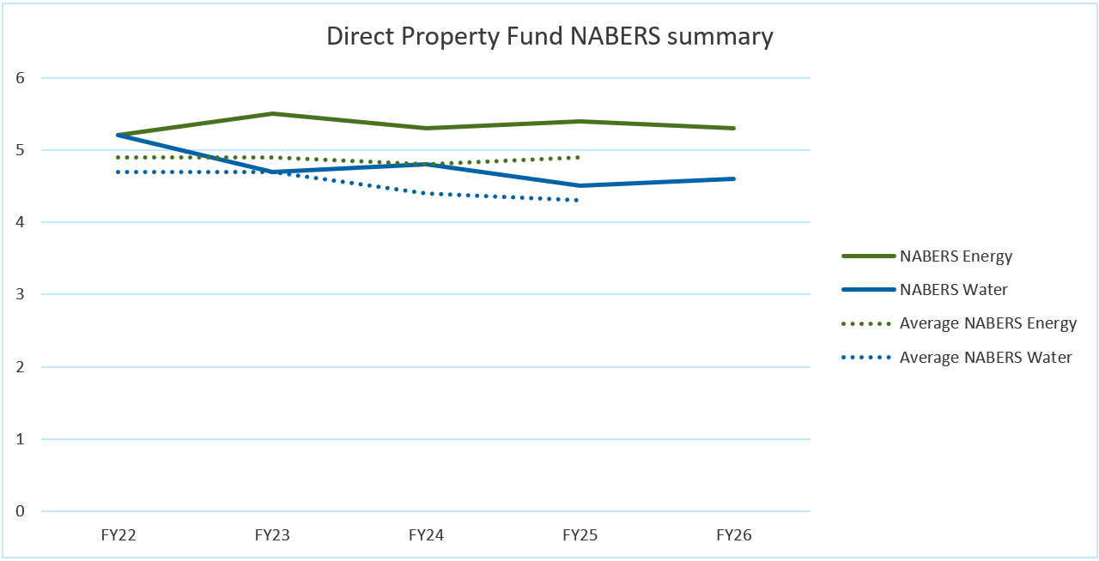

Investment Portfolio

 |  |  |  |  |  |  | NABERS |  |  |  | Green Star - As Built |  | Green Star - Performance
Asset code | Address |  | State | Asset class | Asset size (NLA) | Operational control | Energy rating type | Energy rating | Water rating | Waste rating | Rating type | Star rating | Rating type | Star rating
Cromwell Diversified Property Trust
NCB | Barton1, Barton ACT |  | ACT | Office | - | Under development | Not applicable
COL | 700 Collins Street, Docklands VIC |  | VIC | Office | 32,767 | Yes | Base building | 5.5 | 5.5 | 3 |  |  | Performance v1.2 | 4 Star
CSM | Qantas HQ, Sydney, NSW |  | NSW | Office | 47,910 | No | Whole building | 5 | 4.5 |  |  |  | Performance v1.2 | 3 Star
GSB | 400 George Street, Brisbane QLD |  | QLD | Office | 43,145 | Yes | Base building | 5.5 | 4.5 | 3 | Office As Built v2 | 5 Star | Performance v1.2 | 4 Star
KSS | 207 Kent Street, Sydney NSW |  | NSW | Office | 20,574 | Yes | Base building | 5.5 | 4 | 4 |  |  | Performance v1.2 | 4 Star
RPS | McKell Building, Sydney, NSW |  | NSW | Office | 25,251 | Yes | Whole building | 5.5 | 4.5 |  |  |  | Performance v1.2 | 4 Star
SWG | Enid Lyons Building, 71 Athllon Drive, Greenway, ACT |  | ACT | Office | 35,881 | Yes | Base building | 6 | 5 |  | Office As Built v3 | 5 Star | Performance v1.2 | 4 Star
VAC | Tower 1, 475 Victoria Avenue, Chatswood NSW |  | NSW | Office | 24,575 | Yes | Base building | 4 | 3.5
 | Tower 2, 475 Victoria Avenue, Chatswood NSW |  | NSW | Office |  | Yes | Base building | 5 | 3.5
WSF | HQ North Tower, Brisbane, QLD |  | QLD | Office | 29,191 | Yes | Base building | 6 | 4 | 3 | Office As Built v2 | 6 Star | Performance v1.2 | 4 Star

Fund and Asset Management

 |  |  |  |  |  |  | NABERS |  |  |  | Green Star - As Built |  | Green Star - Performance
Asset code | Address |  | State | Asset class | Asset size (NLA) | Operational control | Energy rating type | Energy rating | Water rating | Waste rating | Rating type | Star rating | Rating type | Star rating
Cromwell Direct Property Fund
CRK | 100 Creek Street, Brisbane |  | QLD | Office | 20,000 | Yes | Base building | 5 | 4.5 |  |  |  | Performance v1.2 | 4 Star
EFP | 11 Farrer Place, Queanbeyan |  | ACT | Office | 6,300 | Yes, Sold 26/06/2026 | Whole building | 5.5 | 5.5 |  |  |  | Performance v1.2 | 4 Star
FST | 420 Flinders Street, Townsville |  | QLD | Office | 7,929 | Yes | Base building | 6 | 5.5 |  | Office As Built v3 | 5 Star | Performance v1.2 | 4 Star
GFS | Chesser House, Adelaide |  | SA | Office | 11,207 | Yes | Base building | 5 | 4 |  |  |  | Performance v1.2 | 3 Star
OSM | Altitude Corporate Centre, Mascot |  | NSW | Office | 13,453 | Yes | Base building | 5.5 | 4.5 |  |  |  | Performance v1.2 | 4 Star
QSB | 545 Queen Street, Brisbane |  | QLD | Office | 13,367 | Yes, Sold 19/12/2025
Cromwell Property Trust 12
RSD | 19 George Street, Dandenong |  | VIC | Office | 13,865 | Yes | Base building | 6 | 6 |  | Office As Built v3 | 6 Star | Performance v1.2 | 4 Star
Cromwell Riverpark Trust
BRN | Energex House, Newstead |  | QLD | Office | 30,213 | Yes | Base building | 6 | 4.5 |  | Office As Built v2 | 6 Star | Performance v1.2 | 4 Star
Cromwell Industrial Partnership
CCE | Coca Cola Europacific Partners State Distribution Centre |  | SA | Warehouse | 46,469 | No, Managed 01/04/2026 | not rated
CEP | Cavan Connect Logistics Park |  | SA | Warehouse | 22,891 | No, Managed 01/04/2026 | not rated
FPA | Fertiglobe Australia State Distribution Centre |  | SA | Warehouse | 15,489 | No, Managed 01/04/2026 | not rated
IPA | Incitec Pivot State Distribution Centre |  | SA | Warehouse | 17,250 | No, Managed 01/04/2026 | not rated
KCL | Kilsyth Connect Logistics Park |  | VIC | Warehouse | 4,424 | Yes, Managed 01/04/2026 | not rated
MHB | Mountain Highway Business Park, Bayswater, VIC |  | VIC | Mixed | 11,833 | Yes, Managed 01/04/2026 | Whole building | 4.5
NN | Nexus North Industrial Estate, Salisbury South, SA |  | SA | Warehouse | 46,806 | No, Managed 01/04/2026 | not rated
SRM | 677 Springvale Road, Mulgrave, VIC |  | VIC | Mixed | 38,289 | Yes, Managed 01/04/2026 | not rated
TDM | Raytheon Australia Centre for Joint Integration |  | SA | Mixed | 14,342 | No, Managed 01/04/2026 | Whole building | 4.5

Asset performance
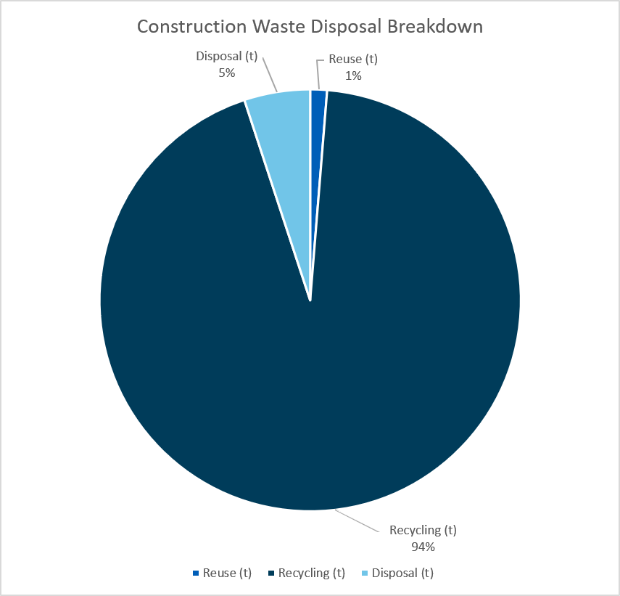
 | Asset performance
 | Decarbonisation, water management and waste management

Portfolio emissions summary

 |  | Asset size (TLA) | Scope 1 emissions | Scope 2 emissions market-based* | Scope 2 emissions location-based | Scope 3 emissions, category 1 (water) | Scope 3 emissions, category 5 | Scope 3 emissions, category 13 | Scope 3 emissions, category 8
 |  | (m2) | (tCO2-e) | (tCO2-e) | (tCO2-e) | (tCO2-e) | (tCO2-e) | (tCO2-e) | (tCO2-e)
AU Investment Portfolio
Cromwell Diversified Property Trust |  | 259,294 | 378 | 0 | 5,877 | 163 | 400 | 7,166 | NA
Fund and Asset Management
Cromwell Direct Property Fund |  | 65,169 | 91 | 0 | 1,877 | 40 | 354 | 1,600 | NA
Cromwell Riverpark Trust |  | 30,213 | 10 | 0 | 878 | 28 | 80 | 0 | NA
Cromwell Property Trust 12 |  | 13,865 | 73 | 0 | 180 | 2.2 | 17 | 371 | NA
Cromwell Industrial Partnership |  | 53,850 | 40 | 0 | 167 | 15.0 | - | 1,119 | NA
Corporate Operations
Office tenancies (not included above) |  | NA** | 0 | 0 | 71 | 0.3 | 37.3 | 0 | 3.6
Total |  | 422,391 | 592 | - | 9,050 | 249 | 889 | 10,256 | 3.6
*During FY26, Cromwell improved its alignment with the GHG Protocol. The revised approach ensure emissions reporting accurately reflects renewable energy consumption.
**Corporate operations not included in total Lettable Area

Emissions intensity (kg CO2-e/m2)
Scope 1 and 2 (market-based)
Asset |  |  | FY23 | FY24 | FY25* | FY26
AU Investment Portfolio
Cromwell Diversified Property Trust
700 Collins Street, Melbourne, VIC |  |  | 26.849 | 10.087 | 3.735 | 3.403
Qantas HQ, Sydney, NSW** |  |  | 0.000 | 0.000 | 0.000 | 0.000
400 George Street, Brisbane, QLD |  |  | 40.546 | 15.692 | 0.935 | 0.478
Symantec House, 207 Kent Street, Sydney NSW |  |  | 32.907 | 13.148 | 3.667 | 1.595
McKell Building, Sydney, NSW |  |  | 37.603 | 39.303 | 3.094 | 0.000
Enid Lyons Building, 71 Athllon Drive, Greenway, ACT |  |  | 6.296 | 6.262 | 6.162 | 3.352
Tower 1, 475 Victoria Avenue, Chatswood NSW |  |  | 33.388 | 6.040 | 5.740 | 3.056
Tower 2, 475 Victoria Avenue, Chatswood NSW |  |  | 31.075 | 7.626 | 4.628 | 4.130
HQ North Tower, Brisbane, QLD |  |  | 31.673 | 11.358 | 0.411 | 0.147
Fund and Asset Management
Cromwell Direct Property Fund
100 Creek Street, Brisbane |  |  | 49.628 | 21.585 | 4.377 | 0.196
11 Farrer Place, Queanbeyan |  |  | 22.823 | 16.836 | 7.214 | 6.293
420 Flinders Street, Townsville |  |  | 48.964 | 18.932 | 0.671 | 0.000
Chesser House, Adelaide |  |  | 31.990 | 31.178 | 5.116 | 2.861
Altitude Corporate Centre, Mascot |  |  | 40.058 | 17.508 | 3.783 | 1.174
545 Queen Street, Brisbane |  |  | 73.224 | 46.606 | 1.953 | 0.000
Cromwell Property Trust 12
19 George Street, Dandenong |  |  | 22.878 | 11.320 | 5.837 | 5.277
Cromwell Riverpark Trust
Energex House, Newstead |  |  | 32.676 | 14.223 | 4.481 | 0.317
Cromwell Industrial Partnership
Coca Cola Europacific Partners State Distribution Centre** |  |  | NA | NA | NA | 0.000
Cavan Connect Logistics Park** |  |  | NA | NA | NA | 0.000
Fertiglobe Australia State Distribution Centre** |  |  | NA | NA | NA | 0.000
Incitec Pivot State Distribution Centre** |  |  | NA | NA | NA | 0.000
Kilsyth Connect Logistics Park |  |  | NA | NA | NA | 0.000
Mountain Highway Business Park, Bayswater, VIC |  |  | NA | NA | NA | 4.200
Nexus North Industrial Estate, Salisbury South, SA** |  |  | NA | NA | NA | 0.000
677 Springvale Road, Mulgrave, VIC |  |  | NA | NA | NA | 0.017
Raytheon Australia Centre for Joint Integration** |  |  | NA | NA | NA | 0.000
All Assets |  |  | 28.551 | 16.212 | 3.025 | 1.401
*During FY26, Cromwell improved its alignment with the GHG Protocol. The revised approach has been retrospectively applied to FY25 results to improve comparability and ensure emissions reporting accurately reflects renewable energy consumption.
**Not under Cromwell's operational control therefore all emissions are scope 3, included here for data completeness

Emissions intensity (kg CO2-e/m2)
Scope 1, 2 (market-based) and 3 (category 5 and 13 only)
Asset |  |  | FY23 | FY24 | FY25 | FY26
AU Investment Portfolio
Cromwell Diversified Property Trust
700 Collins Street, Melbourne, VIC |  |  | 59.698 | 48.709 | 43.238 | 42.625
Qantas HQ, Sydney, NSW |  |  | 80.275 | 76.792 | 73.916 | 73.969
400 George Street, Brisbane, QLD |  |  | 82.215 | 32.481 | 3.353 | 2.343
Symantec House, 207 Kent Street, Sydney NSW |  |  | 78.806 | 59.858 | 49.174 | 37.424
McKell Building, Sydney, NSW |  |  | 70.924 | 74.241 | 39.358 | 37.723
Enid Lyons Building, 71 Athllon Drive, Greenway, ACT |  |  | 9.813 | 6.262 | 8.735 | 6.173
Tower 1, 475 Victoria Avenue, Chatswood NSW |  |  | 59.256 | 26.097 | 29.956 | 33.022
Tower 2, 475 Victoria Avenue, Chatswood NSW |  |  | 114.647 | 87.569 | 81.064 | 53.813
HQ North Tower, Brisbane, QLD |  |  | 81.586 | 31.260 | 4.188 | 3.159
Fund and Asset Management
Cromwell Direct Property Fund
100 Creek Street, Brisbane |  |  | 90.698 | 39.383 | 7.998 | 5.263
11 Farrer Place, Queanbeyan |  |  | 40.471 | 37.662 | 29.378 | 28.479
420 Flinders Street, Townsville |  |  | 117.177 | 44.096 | 3.236 | 2.200
Chesser House, Adelaide |  |  | 64.262 | 61.534 | 20.648 | 5.060
Altitude Corporate Centre, Mascot |  |  | 101.806 | 84.319 | 62.391 | 44.590
545 Queen Street, Brisbane |  |  | 151.102 | 57.198 | 142.680 | 147.226
Cromwell Property Trust 12
19 George Street, Dandenong |  |  | 60.928 | 52.724 | 35.770 | 33.303
Cromwell Riverpark Trust
Energex House, Newstead |  |  | 99.750 | 43.435 | 9.413 | 3.223
Cromwell Industrial Partnership
Coca Cola Europacific Partners State Distribution Centre |  |  | NA | NA | NA | 12.337
Cavan Connect Logistics Park |  |  | NA | NA | NA | 2.426
Fertiglobe Australia State Distribution Centre |  |  | NA | NA | NA | 7.861
Incitec Pivot State Distribution Centre |  |  | NA | NA | NA | 8.976
Kilsyth Connect Logistics Park |  |  | NA | NA | NA | 35.515
Mountain Highway Business Park, Bayswater, VIC |  |  | NA | NA | NA | 25.094
Nexus North Industrial Estate, Salisbury South, SA |  |  | NA | NA | NA | 25.496
677 Springvale Road, Mulgrave, VIC |  |  | NA | NA | NA | 62.591
Raytheon Australia Centre for Joint Integration |  |  | NA | NA | NA | 50.849
All Assets |  |  | 66.400 | 46.491 | 34.561 | 27.808

Energy management

 |  | Asset size (TLA) | Base building / operational energy (fuels) | Base building / operational electricity* | Base building / operational renewable electricity purchased** | Onsite solar generated | Onsite solar consumed**** | Onsite solar exported | Tenant / third-party energy (fuels) | Tenant / third-party electricity* | Tenant / third-party renewable electricity purchased** | Total energy consumption
 |  | (m2) | (kWh) | (kWh) | (kWh) | (kWh) | (kWh) | (kWh) | (kWh) | (kWh) | (kWh) | (kWh)
AU Investment Portfolio
Cromwell Diversified Property Trust |  | 259,294 | 2,034,710 | 8,786,592 | 8,786,592 | 732,232 | 630,779 | 101,453 | 24,722 | 16,442,221 | 6,313,715 | 27,919,024
Fund and Asset Management |  |  |  |  |  |  |  |  | - | - | - | -
Cromwell Direct Property Fund |  | 65,169 | 492,821 | 3,233,061 | 3,233,061 | 398,290 | 352,393 | 45,897 | - | 4,875,345 | 2,899,740 | 8,953,619
Cromwell Riverpark Trust |  | 30,213 | 51,550 | 1,310,333 | 1,310,333 | 130,572 | 130,521 | 51 | 39,762 | 2,097,370 | 2,097,370 | 3,629,536
Cromwell Property Trust 12 |  | 13,865 | 394,436 | 231,088 | 231,088 | 119,945 | 96,854 | 23,091 | - | 554,079 | 95,800 | 1,276,457
Cromwell Industrial Partnership |  | 53,850 | 214,630 | 154,363 | 154,363 | not tracked | not tracked | not tracked | - | 1,670,220 | 288,781 | 2,039,212
Corporate Operations
Office tenancies (not included above) |  | NA*** | 0 | 106,845 | 106,845 | NA | NA | NA | 14,347 | 18,794 | 17,682 | 139,987
Total |  | 422,391 | 3,188,146 | 13,822,282 | 13,822,282 | 1,381,040 | 1,210,547 | 170,493 | 78,832 | 25,658,028 | 11,713,089 | 43,957,835
Notes:
*Includes all electricity from the grid and excludes solar generated onsite.
**Includes all electricity purchased under GreenPower arrangments, jurisdicational renewable energy schemes (applies to ACT), purchased large-scale generation certificates (LGCs) and the Renewable Energy Target contributions led by the Australian Government.
***Corporate operations not included in total Lettable Area
****Onsite solar consumed is the renewable electricity generated on site excluding electricity exported to the grid

Total operational non-renewable electricity covered by LGC's (MWh)
Entity |  |  |  |  | FY25 | FY26
Cromwell Diversified Property Trust |  |  |  |  | 1,084.2 | 1,124.9
Cromwell Direct Property Fund |  |  |  |  | 282.9 | 49.1
Cromwell Riverpark Trust |  |  |  |  | - | -
Cromwell Property Trust 12 |  |  |  |  | - | -
Cromwell Industrial Partnership |  |  |  |  | not applicable | 127.7
Office tenancies (not included above) |  |  |  |  | 9.7 | 2.2
Total |  |  |  |  | 1,377 | 1,304

Operationally controlled building energy intensity (kWh/m2)*
Entity |  |  | FY23 | FY24 | FY25 | FY26
Cromwell Diversified Property Trust |  |  | 41.0 | 48.0 | 47.6 | 44.2
Cromwell Direct Property Fund |  |  | 76.1 | 74.2 | 55.4 | 62.6
Cromwell Riverpark Trust |  |  | 46.9 | 51.2 | 51.5 | 49.4
Cromwell Property Trust 12 |  |  | 49.9 | 44.6 | 50.5 | 52.1
Cromwell Industrial Partnership |  |  | NA | NA | NA | 6.9
Average |  |  | 46.8 | 53.3 | 50.0 | 43.1
*Including solar consumed, and lettable area for assets not under operational control

Whole building energy intensity (kWh/m2)*
Entity |  |  | FY23 | FY24 | FY25 | FY26
Cromwell Diversified Property Trust |  |  | 118.9 | 111.6 | 113.7 | 107.7
Cromwell Direct Property Fund |  |  | 143.5 | 145.8 | 137.6 | 137.4
Cromwell Riverpark Trust |  |  | 140.5 | 146.5 | 148.0 | 120.1
Cromwell Property Trust 12 |  |  | 106.4 | 103.1 | 97.5 | 92.1
Cromwell Industrial Partnership |  |  | NA | NA | NA | 37.9
Average |  |  | 129.0 | 120.8 | 121.3 | 104.0
*Including solar consumed

Operationally controlled renewable electricity procurement %
Entity |  | FY22 | FY23 | FY24 | FY25 | FY26
Cromwell Diversified Property Trust |  | 28% | 26% | 70% | 100% | 100%
Cromwell Direct Property Fund |  | 23% | 22% | 58% | 100% | 100%
Cromwell Riverpark Trust |  | 19% | 19% | 74% | 100% | 100%
Cromwell Property Trust 12 |  | 19% | 19% | 71% | 100% | 100%
Cromwell Industrial Partnership |  | NA | NA | NA | NA | 100%
Corporate Operations |  | 21% | 20% | 47% | 100% | 100%
Average |  | 25% | 24% | 67% | 100% | 100%
Includes all electricity purchased under GreenPower arrangments, jurisdicational renewable energy schemes (applies to ACT), purchased large-scale generation certificates (LGCs) and the Renewable Energy Target contributions led by the Australian Government. Excludes onsite solar generation.

Solar PV capacity (kW)
Entity |  | FY22 | FY23 | FY24 | FY25 | FY26
Cromwell Diversified Property Trust |  | 100 | 463 | 563 | 616 | 616
Cromwell Direct Property Fund |  | 91 | 100 | 191 | 323 | 323
Cromwell Riverpark Trust |  | - | - | - | 100 | 100
Cromwell Property Trust 12 |  | - | - | 100 | 100 | 100
Cromwell Industrial Partnership |  | NA | NA | NA | NA | 1,310
Average |  | 191 | 563 | 854 | 1,140 | 2,450

Water management

 |  | Asset Size (TLA) | Water Intensity* | Total Water Consumption (incl. onsite water capture) | Total Water Consumption (Inflows)* | Onsite Water Capture (rainwater)
 |  | (m2) | (kL/m2) | (kL) | (kL) | (kL)
AU Investment Portfolio
Cromwell Diversified Property Trust |  | 259,294 | 0.41 | 109,133 | 105,544 | 3,588
Fund and Asset Management |  |  |  |  |  | -
Cromwell Direct Property Fund |  | 65,169 | 0.41 | 26,693 | 26,693 | -
Cromwell Riverpark Trust |  | 30,213 | 0.55 | 19,633 | 16,566 | 3,067
Cromwell Property Trust 12 |  | 13,865 | 0.09 | 1,896 | 1,234 | 662
Cromwell Industrial Partnership |  | 53,850 | 0.19 | 11,315 | 11,315 | not tracked
Corporate Operations
Office tenancies (not included above) |  | NA** | NA** | 231 | 231 | -
Total |  | 422,391 | 0.38 | 168,901 | 161,583 | 7,318
*Water intensity and water consumption does not include rainwater
**Corporate operations not included in total Lettable Area

Water intensity (kL/m2) by region*
Region |  | FY22** | FY23 | FY24 | FY25 | FY26
Queensland |  | 0.46 | 0.53 | 0.53 | 0.53 | 0.51
New South Wales |  | 0.24 | 0.51 | 0.44 | 0.40 | 0.43
Victoria |  | 0.12 | 0.18 | 0.17 | 0.17 | 0.20
Australian Capital Territory |  | 0.33 | 0.25 | 0.33 | 0.31 | 0.23
South Australia |  | 0.03 | 0.35 | 0.37 | 0.48 | 0.23
Australia |  | 0.31 | 0.45 | 0.43 | 0.41 | 0.38
*Water intensity metric includes corporate water usage and does not include rainwater
**COVID-19 related disruptions and asset sales resulted in lower water intensity for the year

Total water consumption inflow (kL) by region
Region |  | FY22 | FY23 | FY24 | FY25 | FY26
Queensland |  | 84,409 | 78,934 | 80,185 | 79,016 | 70,270
New South Wales |  | 46,615 | 96,101 | 64,667 | 54,849 | 59,129
Victoria |  | 6,238 | 8,301 | 13,084 | 7,871 | 12,210
Australian Capital Territory |  | 23,824 | 11,889 | 8,049 | 9,662 | 8,209
South Australia |  | 874 | 3,898 | 4,106 | 5,433 | 11,765
Australia |  | 161,960 | 199,124 | 170,091 | 156,831 | 161,583

Water risk classification by region
State |  | Water Risk Rating
Australia |  | High
Queensland |  | Low
New South Wales |  | Low-Medium
Victoria |  | High
Australian Capital Territory |  | Low-Medium
South Australia |  | High

World Resources Institute. (2021). Aqueduct Water Risk Atlas. World Resources Institute https://www.wri.org/data/aqueduct-water-risk-atlas
Operational and construction waste

 |  | Asset Size (TLA) | Waste to Landfill | Waste Diversion Rate | Total Waste Diverted | Organic/Green Waste | Mixed Recycling | Paper and Cardboard | Other* | Hazardous Waste | Total Waste Intensity
 |  | (m2) | (t) | (%) | (t) | (t) | (t) | (t) | (t) | (t) | (kg/m2)
AU Investment Portfolio
Cromwell Diversified Property Trust |  | 259,294 | 459.0 | 46% | 384.9 | 27.6 | 192.3 | 81.7 | 83.3 | 0.0 | 3.3
Fund and Asset Management
Cromwell Direct Property Fund |  | 65,169 | 147.3 | 39% | 94.2 | 20.3 | 20.7 | 30.6 | 22.5 | 0.0 | 3.7
Cromwell Riverpark Trust |  | 30,213 | 61.9 | 58% | 84.7 | 3.4 | 13.7 | 19.6 | 48.0 | 0.0 | 4.8
Cromwell Property Trust 12 |  | 13,865 | 13.4 | 20% | 3.4 | 0.2 | 3.2 | 0.0 | 0.0 | 0.0 | 1.2
Cromwell Industrial Partnership |  | 53,850 | not avaliable | not avaliable | not avaliable | not avaliable | not avaliable | not avaliable | not avaliable | not avaliable | not avaliable
Corporate Operations
Office tenancies (not included above)** |  | NA*** | 2.6 | 24% | 0.8 | 0.0 | 0.8 | 0.0 | 0.0 | 0.0 | NA
Total (all assets) |  | 422,391 | 684.2 | 45% | 568.0 | 51.5 | 230.7 | 131.9 | 153.8 | 0.0 | 3.0
*Other includes waste streams which are regional and building specific initiatives such as E-Waste, Simply Cups, Containers for Change or Soft Plastics.
**Corporate operations not seperated by tenancy, data is based on whole building waste appriontioned based on the NLA occupied by CMW
***Corporate operations not included in total Lettable Area

Operational waste summary
Waste stream |  | Total (t) | % of Total waste
Landfill |  | 684 | 55%
Total waste diverted |  | 568 | 45%
Mixed recycling |  | 231 | 18%
Organics |  | 52 | 4%
Paper and Cardboard |  | 132 | 11%
Plastics |  | 0.06 | 0%
Other Recycling |  | 154 | 12%

Operational waste diversion rate (%)
Entity |  | FY22 | FY23 | FY24 | FY25 | FY26
Cromwell Diversified Property Trust |  | 32% | 29% | 45% | 44% | 46%
Cromwell Direct Property Fund |  | 16% | 29% | 38% | 46% | 39%
Cromwell Riverpark Trust |  | 26% | 27% | 25% | 41% | 58%
Cromwell Property Trust 12 |  | 28% | 47% | 22% | 55% | 20%
Cromwell Industrial Partnership |  | NA | NA | NA | NA | not avaliable
Average |  | 27% | 29% | 41% | 44% | 45%

Construction waste diversion rate (%)
Entity |  |  | FY23 | FY24 | FY25 | FY26
Overall |  |  | 64% | 52% | 76% | 95%

Construction waste summary - developments and tenant fitouts
Material type |  | Reuse (t) | Recycle (t) | Disposal (t)
Excavation Material |  | 0 | 0 | 2
Aluminium |  | 0 | 3 | 0
Concrete |  | 0 | 196 | 3
Bricks/Pavers/Masonry |  | 0 | 0 | 1
Metal |  | 0 | 58 | 1
Containers |  | 1 | 2 | 0
Glass |  | 0 | 3 | 0
Insulation |  | 0 | 1 | 0
Plasterboard |  | 0 | 29 | 1
Particleboard |  | 0 | 6 | 1
Mixed Waste |  | 0 | 159 | 8
Carpet tile |  | 0 | 2 | 6
Paper/Cardboard |  | 0 | 1 | 0
E-Waste |  | 0 | 1 | 0
Tiles |  | 0 | 1 | 1
Timber |  | 0 | 11 | 0
Pallets |  | 0 | 0 | 0
Furniture |  | 6 | 0 | 0
Packaging |  | 0 | 0 | 0
Residual Waste |  | 0 | 35 | 3
MDF Board |  | 0 | 5 | 0
Ceiling Tiles |  | 0 | 0 | 0
Cable |  | 0 | 0 | 0
Plastic |  | 0 | 0 | 0
Grand Total (t) |  | 7 | 513 | 28 | 95% Diverted from landfill
Where weight data is not avaliable the it is conveted from volume (m3) to weight (t) using the Australian National Account Factors 2025

People
 | People
 | Engaged, healthy and capable workforce

Information on employees and other workers

Headcount by year and gender*:
Gender |  |  |  |  | FY22* | FY23* | FY24* | FY25 | FY26
Female |  |  |  |  | 75 | 72 | 68 | 63 | 71
Male |  |  |  |  | 76 | 72 | 62 | 57 | 53
Other |  |  |  |  | 0 | 0 | 0 | 0 | 0
Total headcount |  |  |  |  | 151 | 144 | 130 | 120 | 124
*Excludes external contractors
**Australia only

Headcount by employment contract and gender*:
Employment contract |  |  |  |  | Female | Male | Other |  | Total
Permanent full-time |  |  |  |  | 59 | 49 | - |  | 108
Fixed term full-time |  |  |  |  | 2 | 2 | - |  | 4
Permanent part-time |  |  |  |  | 9 | 1 | - |  | 10
Fixed term part-time |  |  |  |  | - | - | - |  | -
Casual |  |  |  |  | 1 | 1 | - |  | 2
*Excludes external contractors

Collective bargaining agreements

Percentage of total employees covered by collective bargaining agreements.
 |  |  |  |  | Female | Male | Other |  | Total
Collective Bargaining Agreement |  |  |  |  | 0.00% | 0.00% | 0.00% |  | 0.00%

New employee hires and employee turnover

Total number of new employee hires during the reporting period, by age group and gender
Gender |  |  | Age <30 |  | Age 30-50 |  | Age >50 |  | Total
Female |  |  | 4 |  | 9 |  | 3 |  | 16
Male |  |  | 4 |  | 8 |  | 2 |  | 14
Other |  |  | - |  | - |  | - |  | -
Total |  |  | 8 |  | 17 |  | 5 |  | 30
*Information reported using head counts

Total number of employee turnover during the reporting period, by age group and gender.
Gender |  |  | Age <30 |  | Age 30-50 |  | Age >50 |  | Total
Female |  |  | 2 |  | 5 |  | 1 |  | 8
Male |  |  | 6 |  | 8 |  | 4 |  | 18
Other |  |  | - |  | - |  | - |  | -
Total |  |  | 8 |  | 13 |  | 5 |  | 26
*Information reported using head counts

Annual turnover covering all Cromwell employees:
Metric |  | Description |  |  |  |  | FY24 | FY25 | FY26
Turnover |  | Total employee departures in reporting period |  |  |  |  | 17.50% | 22.13% | 21.31%
Voluntary Turnover |  | When employees willingly choose to leave the organisation |  |  |  |  | 12.70% | 15.81% | 13.93%
Regrettable Turnover |  | When an employee's departure is ‘a loss to the organisation’ |  |  |  |  | 12.70% | 12.65% | 13.93%

Hiring and promotions
Metric |  |  |  |  |  |  | FY24 | FY25 | FY26
Cost of hiring |  |  |  |  |  |  | $146,618.50 | $69,255.75 | $103,123.21
Cost of hiring per new hire |  |  |  |  |  |  | $18,327.31 | $3,847.54 | $3,437.44
Number of internal hires and promotions |  |  |  |  |  |  | 4 | 2 | 5

Minimum notice periods regarding operational changes

Minimum number of weeks’ notice typically provided to employees and their representatives prior to the implementation of significant operational changes that could substantially affect them.

Region |  | Period
Australia |  | 4 weeks

For organisations with collective bargaining agreements, report whether the notice period and provisions for consultation and negotiation are specified in collective agreements.

Not applicable

Employee training and development

Total hours of training that the organisation’s employees have undertaken during the reporting period:
Gender |  |  |  |  |  | FY23 | FY24 | FY25 | FY26*
Female |  |  |  |  |  | 2,644 | 3,184 | 1,850 | 410
Male |  |  |  |  |  | 1,697 | 1,858 | 1,002 | 283
Other |  |  |  |  |  | NA | NA | NA | NA
Total |  |  |  |  |  | 4,341 | 5,042 | 2,852 | 693
*From FY26 the Group has moved to a self declaration approach to training data management as training hours are not an accurate reflection of employee development, as the group adopts a 70:20:10 approach to development. This has led to a reduction in the declaration of free, non-CPD or compliance related training.

Average hours of training per headcount that the organisation’s employees have undertaken during the reporting period:
Gender |  |  |  |  |  | FY23 | FY24 | FY25 | FY26*
Female |  |  |  |  |  | 37 | 47 | 29 | 6
Male |  |  |  |  |  | 24 | 30 | 18 | 5
Other |  |  |  |  |  | NA | NA | NA | NA
Average |  |  |  |  |  | 30 | 39 | 24 | 6
*From FY26 the Group has moved to a self declaration approach to training data management as training hours are not an accurate reflection of employee development, as the group adopts a 70:20:10 approach to development. This has led to a reduction in the declaration of free, non-CPD or compliance related training.

Total hours of training that the organisation’s employees have undertaken during the reporting period by category:
Category |  |  |  |  |  |  | FY24 | FY25 | FY26
Compliance |  |  |  |  |  |  | 273 | 200 | 131
Cybersecurity |  |  |  |  |  |  | Not reported | Not reported | Not reported
General |  |  |  |  |  |  | 4,769 | 2,653 | 693

Training spend:
Metric |  |  |  |  |  |  | FY24 | FY25 | FY26
Average headcount during the reporting year* |  |  |  |  |  |  | 137 | 125 | 123
Total spend on training |  |  |  |  |  |  | $182,914 | $221,876 | $188,484
Total spend on training per headcount |  |  |  |  |  |  | $1,335 | $1,775 | $1,539
*Average headcount = average between the headcount at the start of the reporting year vs the headcount at the end of the reporting year

Performance and career development reviews

Percentage of total employees who received a regular performance and career development review during the reporting period.
Employee Category |  |  |  |  |  | Female | Male | Other | Total
CEO/Head of Business |  |  |  |  |  | - | 100% | NA | 100%
Key Management Personnel |  |  |  |  |  | 100% | - | NA | 100%
Other Exec/General Mgmt |  |  |  |  |  | 100% | 100% | NA | 100%
Senior Managers |  |  |  |  |  | 100% | 100% | NA | 100%
Other Managers |  |  |  |  |  | 100% | 100% | NA | 100%
Sales |  |  |  |  |  | 100% | - | NA | 100%
Professionals |  |  |  |  |  | 100% | 100% | NA | 100%
Clerical & Administrative |  |  |  |  |  | 100% | 100% | NA | 100%
Overall |  |  |  |  |  | 100% | 100% | NA | 100%
* employees on probation, submitted terminations and employees on performance improvement plans are not eligible for regular performance reviews

Absenteeism

Absentee rate by year and gender
Gender |  |  |  |  |  |  | FY24 | FY25 | FY26
Female |  |  |  |  |  |  | 2.65% | 2.69% | 2.01%
Male |  |  |  |  |  |  | 1.47% | 1.62% | 1.45%
Other |  |  |  |  |  |  | NA | NA | NA
Overall |  |  |  |  |  |  | 2.06% | 2.17% | 1.75%

Lost time injury frequency rate (LTIFR)

Lost time injury frequency rate, or the number of lost-time injuries per million hours worked:
Business Group |  |  |  |  |  | FY23 | FY24 | FY25 | FY26
Lost time injuries (total) |  |  |  |  |  | NA | NA | 0 | 0
Lost time injuries (employees) |  |  |  |  |  | 0 | 0 | 0 | 0
Lost time injuries (facilities management contractors) |  |  |  |  |  | NA | NA | 0 | 0

Lost day rate:
Business Group |  |  |  |  |  | FY23 | FY24 | FY25 | FY26
Australia |  |  |  |  |  | 0 days | 0 days | 0 days | 0 days

Employee wellbeing and engagement

Employee engagement snapshot
Survey as of 28 March 2026 |  |  |  |  |  | FY23 | FY24* | FY25 | FY26**
Engagement |  |  |  |  |  | 66% | 74% | 70% | 71%
Happiness |  |  |  |  |  | NA | NA | NA | 86%
Job satisfaction |  |  |  |  |  | NA | NA | NA | 86%
Purpose |  |  |  |  |  | NA | NA | NA | 81%
Workload and Recovery |  |  |  |  |  | NA | NA | NA | 59%
Percentage of employees covered |  |  |  |  |  | 100% | 100% | 100% | 100%
Survey response rate |  |  |  |  |  | 89% | 74% | 87% | 88%
*In FY24, Cromwell changed the survey timing, during the interim a shorter version of the survey was conducted.
**In FY26, Cromwell updated the survey categories, which do not align directly with the prior categories.

Employee wellbeing survey
FY25 Survey as of 28 March 2026 |  |  |  |  |  | FY23 | FY24* | FY25 | FY26
I feel safe in my work environment |  |  |  |  |  | 95% | - | 95% | 97%
My physical workspace is enjoyable to work in |  |  |  |  |  | 79% | - | 87% | 89%
The work environment is professional |  |  |  |  |  | 87% | - | 91% | 91%
Culture is supportive of employees achieving a suitable work/life balance** |  |  |  |  |  | 87% | - | 89% | -
Percentage of employees covered |  |  |  |  |  | 100% | 100% | 100% | 100%
*In FY24 Cromwell changed the survey timing, during the interim a shorter version of the survey was conducted which did not include wellbeing specific questions.
**In FY26, the suitable work/life balance queries were removed as they were consistenly high scoring metrics that we feel it did not provide additional value to the survey.


 | Diversity & Inclusion

Gender pay gap

CEO-to-employee pay ratio (using median employee salary - quote median amount applied)
 |  |  |  |  |  | FY23 | FY24 | FY25 | FY26
Ratio |  |  |  |  |  | 8.46:1 | 8.35:1 | 8.46:1 | 8.43:1
Median salary |  |  |  |  |  | $135,000 | $135,000 | $153,703 | $156,800

Gender pay gap by employee level excluding CEO
Leadership level |  |  |  |  | FY22 | FY23 | FY24 | FY25 | FY26
Executive |  |  |  |  | 31% | 45% | 17% | 17% | 24% | 2%
Senior Leader |  |  |  |  | 5% | 8% | 6% | 3% | 1% | -3%
Team Leader |  |  |  |  | 19% | 0% | -1% | 2% | -1% | -3%
Emerging Leader |  |  |  |  | -4% | 4% | 1% | 3% | 1% | -3%
Employee |  |  |  |  | -4% | -9% | -9% | -3% | -8% | 2%
Overall |  |  |  |  | 21% | 19% | 13% | 18% | 18% | 17%
*no female executives 30 June for FY21

Gender pay gap by employee level including CEO
Leadership level |  |  |  |  | FY22 | FY23 | FY24 | FY25 | FY26
Executive |  |  |  |  | 31% | 52% | 32% | 32% | 38% | 3%
Senior Leader |  |  |  |  | 5% | 8% | 6% | 3% | 1% | 3%
Team Leader |  |  |  |  | 19% | 0% | -1% | 2% | -1% | 3%
Emerging Leader |  |  |  |  | -4% | 4% | 1% | 3% | 1% | 3%
Employee |  |  |  |  | -4% | -9% | -9% | -3% | -8% | 3%
Overall |  |  |  |  | 25% | 24% | 19% | 24% | 24% | 17%

Overall gender pay gap

Employee remuneration

Average employee salary by gender and employee level (temporary staff excluded).
 |  |  | FY25 |  |  |  | FY26
Leadership level |  |  | Female | Male | Ratio |  | Female | Male | Ratio
Executive |  |  | $395,867 | $583,797 | 0.68 |  | $402,533 | $646,703 | 0.62
Senior Leader |  |  | $289,093 | $298,736 | 0.97 |  | $281,752 | $285,271 | 0.99
Team Leader |  |  | $182,111 | $186,312 | 0.98 |  | $189,258 | $186,773 | 1.01
Emerging Leader |  |  | $129,127 | $141,135 | 0.91 |  | $145,296 | $147,388 | 0.99
Employee |  |  | $87,549 | $88,458 | 0.99 |  | $95,186 | $87,979 | 1.08

Workforce by leadership level

Term |  | Definition
40:40:20 gender diversity |  | The target ratio of minimum 40% men, 40% women, and 20% any gender across all leadership levels including casual employees.
Employee Level |  | The Employee Level are responsible for managing themselves and their tasks with no direct reports. Employees are generally equipped with technical and professional skills in their field.
Emerging Leader Level |  | The Emerging Leader incorporates managing others into their daily tasks by assigning and assisting others with work.
Team Leader Level |  | The Team Leader Level incorporates responsibility for managing processes and/or managing teams.
Senior Leader Level |  | The Senior Leader Level incorporates responsibility for managing function/s. They think and act strategically to ensure the success of their function and its contribution to Cromwell's wider strategy.
Executive Leader Level |  | The Executive Leader is responsible for managing divisions. Executive Leaders devise, evaluate and execute strategy, which appropriately focuses on capital allocation and deployment.

Percent of workforce by gender and leadership level at 30 June.
 |  |  | FY25 |  |  |  | FY26
 |  |  | Female | Male | Other |  | Female | Male | Other
Board of Directors |  |  | 50% | 50% | 0% |  | 56% | 44% | 0%
Executive Leader Level |  |  | 38% | 63% | 0% |  | 43% | 57% | 0%
Senior Leader Level |  |  | 38% | 63% | 0% |  | 42% | 58% | 0%
Team Leader Level |  |  | 49% | 52% | 0% |  | 53% | 47% | 0%
Emerging Leader Level |  |  | 57% | 43% | 0% |  | 56% | 44% | 0%
Employee Level |  |  | 64% | 36% | 0% |  | 78% | 22% | 0%
Total |  |  | 52% | 48% | 0% |  | 57% | 43% | 0%

Count of leadership levels that achieved 40:40:20 gender diversity by month
Month in FY26 |  |  |  | Leadership levels on target (out of 6) |  |  | Off target level
Jul-25 |  |  |  | 5 |  |  | Employee
Aug-25 |  |  |  | 5 |  |  | Employee
Sep-25 |  |  |  | 5 |  |  | Employee
Oct-25 |  |  |  | 5 |  |  | Employee
Nov-25 |  |  |  | 5 |  |  | Employee
Dec-25 |  |  |  | 5 |  |  | Employee
Jan-26 |  |  |  | 3 |  |  | Executive, Senior Leader, Employee
Feb-26 |  |  |  | 2 |  |  | Executive, Senior Leader, Emerging Leader, Employee
Mar-26 |  |  |  | 3 |  |  | Executive, Emerging Leader, Employee
Apr-26 |  |  |  | 5 |  |  | Employee
May-26 |  |  |  | 5 |  |  | Employee
Jun-26 |  |  |  | 5 |  |  | Employee
Final for FY26 |  |  |  | 5 |  |  | Employee

Parental leave

Total number of employees that were entitled to parental leave, by gender.
All employees covered by Leave Entitlements Policy

Total number of employees that took parental leave, by gender.
Status |  |  |  | Female | Male | Other |  | Total
Leave ended |  |  |  | 1 | 2 | NA |  | 3
In progress |  |  |  | 4 | 1 | NA |  | 5
*Information reported using head counts

Total number of employees that returned to work in the reporting period after parental leave ended, by gender.
Business Group |  |  |  | Female | Male | Other |  | Total
Australia |  |  |  | 1 | 2 | NA |  | 3
*Information reported using head counts

Total number of employees that returned to work after parental leave ended that were still employed 12 months after their return to work, by gender.
Business Group |  |  |  | Female | Male | Other |  | Total
Australia |  |  |  | 1 | 3 | NA |  | 4
*Information reported using head counts

Return to work and retention rates of employees that took parental leave, by gender.
 |  |  |  | Female |  | Male |  | Other
Retention rate |  |  |  | 100% |  | 100% |  | NA
*Information reported using head counts

Diversity of governance bodies and employees

Percentage of employees per employee category in each of the following diversity categories:
 |  |  | Female |  |  |  | Male
Employee Category |  |  | Age <30 | Age 30-50 | Age >50 |  | Age <30 | Age 30-50 | Age >50
Board of Directors * |  |  | 0% | 11% | 44% |  | 0% | 0% | 44%
CEO/Head of Business * |  |  | 0% | 0% | 0% |  | 0% | 0% | 100%
CFO/Key Management Personnel |  |  | 0% | 0% | 100% |  | 0% | 0% | 0%
Executive / General Management |  |  | 0% | 33% | 0% |  | 0% | 33% | 33%
Senior Managers |  |  | 0% | 39% | 6% |  | 0% | 50% | 6%
Other Managers |  |  | 0% | 43% | 3% |  | 3% | 34% | 17%
Sales |  |  | 0% | 0% | 100% |  | 0% | 0% | 0%
Professionals |  |  | 20% | 42% | 7% |  | 4% | 18% | 9%
Clerical & Administrative |  |  | 18% | 18% | 35% |  | 12% | 12% | 6%
All levels |  |  | 10% | 37% | 10% |  | 4% | 27% | 12%
*There are duplicate members in these groups. The CEO is a member of the CMW Board.

 |  |  | Other |  |  |  | Total
Employee Category |  |  | Age <30 | Age 30-50 | Age >50 |  | Age <30 | Age 30-50 | Age >50
Board of Directors * |  |  | 0% | 0% | 0% |  | 0% | 11% | 89%
CEO/Head of Business * |  |  | 0% | 0% | 0% |  | 0% | 0% | 100%
Key Management Personnel |  |  | 0% | 0% | 0% |  | 0% | 0% | 100%
Executive / General Management |  |  | 0% | 0% | 0% |  | 0% | 67% | 33%
Senior Managers |  |  | 0% | 0% | 0% |  | 0% | 89% | 11%
Other Managers |  |  | 0% | 0% | 0% |  | 3% | 77% | 20%
Sales |  |  | 0% | 0% | 0% |  | 0% | 0% | 100%
Professionals |  |  | 0% | 0% | 0% |  | 24% | 60% | 16%
Clerical & Administrative |  |  | 0% | 0% | 0% |  | 29% | 29% | 41%
All levels |  |  | 0% | 0% | 0% |  | 14% | 64% | 23%
*There are duplicate members in these groups. The CEO is a member of the CMW Board.

Ratio of basic salary and remuneration of women to men

Ratio of the average basic salary and remuneration of women to men for each employee category, by significant locations of operation.
 |  |  | FY25 |  |  |  | FY26
Location |  |  | Age <30 | Age 30-50 | Age >50 |  | Age <30 | Age 30-50 | Age >50
Brisbane |  |  | 0.89 | 0.97 | 0.56 |  | 1.06 | 1.05 | 0.63
Sydney |  |  | - | 0.68 | 1.08 |  | - | 0.77 | 1.08
Adelaide |  |  | NA | NA | NA |  | - | 0.57 | -
Other* |  |  | - | 0.98 | - |  | - | 0.97 | -
Total |  |  | 0.93 | 0.97 | 0.81 |  | 1.24 | 0.79 | 0.66
*Other captures employees not based in one of the above office locations such as facility managers and Melbourne based employees.

Incidents of discrimination and corrective actions taken

Total number of incidents of discrimination by status during the reporting period.

Status |  |  |  |  |  | Female | Male | Other | Total
i. Incident reviewed by the organization; |  |  |  |  |  | 0 | 0 | NA | 0
ii. Remediation plans being implemented; |  |  |  |  |  | 0 | 0 | NA | 0
iii. Remediation plans that have been implemented, with results reviewed through routine internal management review processes; |  |  |  |  |  | 0 | 0 | NA | 0
iv. Incident no longer subject to action. |  |  |  |  |  | 0 | 0 | NA | 0
Total |  |  |  |  |  | 0 | 0 | NA | 0

